Ever Use
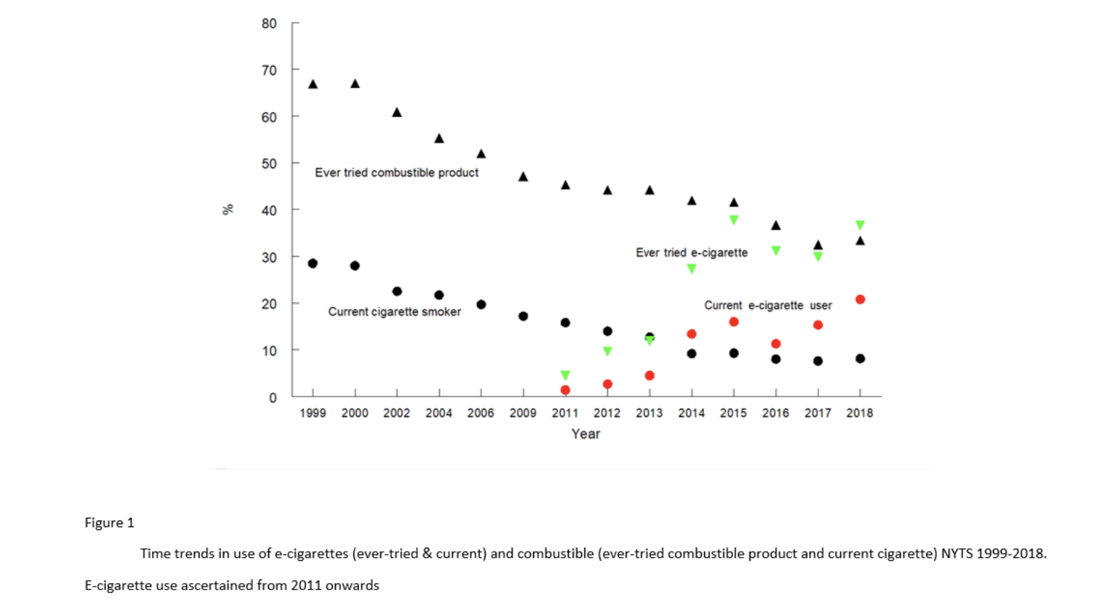
 |  | 2011 | 2012 | 2013 | 2014 | 2015 | 2016 | 2017 | 2018 | 2019
Ever Used | 12th |  |  |  | 19.32% (PATH Wave 1) | 25.30% (PATH Wave 2) | 29.44% (PATH Wave 3) | 26.69 % (PATH Wave 4)
 |  |  |  |  | 31% (NYTS) | 44.69% (NYTS) | 37.19% (NYTS) | 35.39% (NYTS) |  | 54.82% (NYTS)
 |  |  |  |  |  |  | 25% (MTF) | 25% (MTF) | 34% (MTF) | 40.5% (MTF)

 | 10th |  |  |  | 13.91% (PATH Wave 1) | 18.75% (PATH Wave 2) | 20.99% (PATH Wave 3) | 19.76% (PATH) Wave 4)
 |  |  |  | 10.36% (NYTS) | 25.96% (NYTS) | 37.54% (NYTS) | 30.41% (NYTS) | 28.84% (NYTS) | 34.78% (NYTS) | 45.54% (NYTS)
 |  |  |  |  |  |  |  | 21.40% (MTF) | 28.6% (MTF) | 36.4% (MTF)

 | 8th |  |  |  | 5.03% (PATH Wave 1) | 7.00% (PATH Wave 2) | 7.97% (PATH Wave 3) | 5.84% (PATH) Wave 4) | 13.5% (MTF) | 20.7% (MTF)
 |  |  |  | 4.73% (NYTS) | 14.07% (NYTS) | 20.24% (NYTS) | 18.56% (NYTS) | 16.8% (NYTS) | 18.20% (NYTS) | 29.37% (NYTS)
 |  |  |  |  |  |  |  | 10.60% (MTF)

 | Middle School | 1.4% * (NYTS) | 2.7% * (NYTS) | 3% * (NYTS) 2.83% | 10.1% * (NYTS) 9.92% | 13.5% * (NYTS) 13.33* | 12.62% | 10.54% | 11.67% | 19.87%

 | High School | 4.7% * (NYTS) | 10% * (NYTS) | 11.9% * (NYTS) 11.51% | 27.3% * (NYTS) 26.79% | 37.7% * (NYTS) 37.11% | 30.62% | 29.32% | 35.63% | 46.84%

 | Youth 12-17 |  |  |  | 10.7% 6* (PATH Wave 1) 10.64% | 14.3% * (PATH Wave 2) 14.26% (PATH Wave 2) | 16.8% * (PATH Wave 3) 16.47% (PATH Wave 3) | 14.83% (PATH Wave 4)
 |  |  |  |  |  |  |  |  | * From published papers or reports
 | PATH Timeline | Wave 1 (Sep. 2013–Dec. 2013)
 |  | Wave 2 (Oct. 2014–Oct. 2015)
 |  | Wave 3 (Oct. 2015–Oct. 2016)
 |  | Wave 4 (Dec. 2016—Jan. 2018)
 | NYTS | 2013 - Feb - June
 |  | 2014 - Feb - June
 |  | 2015 - Feb - June
 |  | 2016 - Feb - June
 |  | 2017 - Feb - June
 |  | 2018 Does not specify
 |  | 2019 Feb - May
 | MTF | Spring

Current Use
 |  | 2011 | 2012 | 2013 | 2014 | 2015 | 2016 | 2017 | 2018 | 2019 | 2020
Current Users (Past 30 day use) | 12th |  |  | 5.75% (NYTS) | 14.93% (NYTS) | 19.72% (NYTS) | 13.89% (NYTS) | 15.31% (NYTS) | 24.7% (NYTS) | 34.41% (NYTS)
 |  |  |  |  | 5.85% (PATH Wave 1) | 7.54% (PATH Wave 2) | 7.81% (PATH Wave 4) | 8.36% (PATH Wave 4)
 |  |  |  |  | 17% * (MTF) | 16% * (MTF) | 12.3% * 13% * (MTF)
 |  |  |  |  | *** |  |  |  |  |  |  | *** I have not processed 12th grade MTF data, only 8th/10th grade
 | 10th |  |  | 3.79% (NYTS | 13.03% (NYTS) | 15.39% (NYTS) | 12.34% (NYTS) | 11.62% (NYTS) | 19.11% (NYTS) | 25.7% (NYTS)
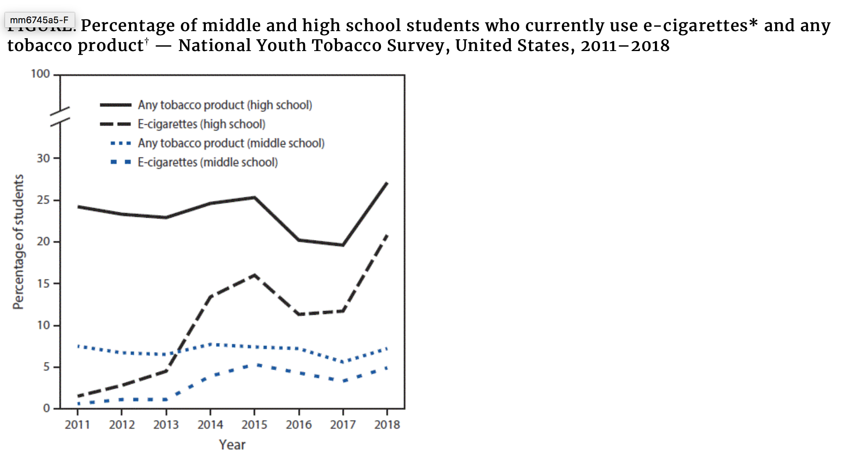
 |  |  |  |  | 16.29% (MTF) | 13.87% (MTF) 14% * (MTF) | 10.37% (MTF) 11% * (MTF) | 8.23% (MTF) | 16.13% (MTF)
 |  |  |  |  | 4.87% (PATH Wave 1) | 4.26% (PATH Wave 2) | 3.14% (PATH Wave 4) | 4.87% (PATH Wave 4)
 | 8th |  |  | 1.85% (NYTS) | 5.42% (NYTS) | 8.33% (NYTS) | 6.66% (NYTS) | 5.32% (NYTS) | 7.5% (NYTS) | 16.09% (NYTS)
 |  |  |  |  | 8.69% (MTF) | 9.44% (MTF) 8% * (MTF) | 6.27% (MTF) 6% * (MTF) | 3.56% (MTF) | 6.17% (MTF)
 |  |  |  |  | 1.14% (PATH Wave 1) | 1.2% (PATH Wave 2) | 1.55% (PATH Wave 4) | 1.32% (PATH Wave 4)
 | Middle School | 0.6% (NYTS) |  | 1.07% | 3.83% | 5.48% | 4.3% (NYTS) * 4.37% | 3.3% (NYTS) * 3.51% | 4.9% (NYTS) * 5.09% | 10.5% (NYTS) * 10.48% | 4.7% * (NYTS)
 | High School | 1.5% (NYTS) |  | 4.35% | 13.27% | 16.04% | 11.3% (NYTS) * 11.49% | 11.7% (NYTS) * 11.87% | 20.8% (NYTS) * 20.8% (PATH)20.94% | 27.5% (NYTS) * 27.34% | 19.6% * (NYTS)

 | Youth 12-17 |  |  |  | 3.1%* 3.12% (PATH Wave 1) | 3.66%* 3.60% (PATH Wave 2) | 4.1%* 4.09% (PATH Wave 3) | 4.24% (PATH Wave 4)
 |  |  |  |  |  |  |  |  |  | * From published papers or reports

8th Grade
Trend in E-Cigarette Use in Past 30 Days, 8th Grade
 | NYTS | MTF - vaping nicotine products | PATH
2007
2008
2009
2010
2011 | 0.8%
2012 | 1.5%
2013 | 1.9%
2014 | 5.4% | 8.7% | 1.1%
2015 | 8.3% | 8.0% | 1.2%
2016 | 6.7% | 6.3% | 1.6%
2017 | 5.3% | 6.2% | 1.3%
2018 | 7.5% | 9.5% | 1.9%
2019 | 16.1% | 11.3%

10th Grade
Trend in E-Cigarette Use in Past 30 Days, 10th Grade
 | NYTS | MTF - vaping nicotine products | PATH
2007
2008
2009
2010
2011 | 1.6%
2012 | 2.9%
2013 | 3.8%
2014 | 13.0% | 12.4% | 4.9%
2015 | 15.4% | 13.9% | 4.3%
2016 | 12.3% | 10.4% | 3.1%
2017 | 11.6% | 11.6% | 4.9%
2018 | 19.1% | 19.7% | 10.1%
2019 | 25.7% | 25.0%

12th Grade
Trend in E-Cigarette Use in Past 30 Days, 12th Graders
 | NYTS | MTF - vaping nicotine products | PATH
2007
2008
2009
2010
2011 | 1.5%
2012 | 3.4%
2013 | 5.8%
2014 | 14.9% | 15.6% | 5.9%
2015 | 19.7% | 16.2% | 7.5%
2016 | 13.9% | 12.3% | 7.8%
2017 | 15.3% | 15.3% | 8.4%
2018 | 24.7% | 24.7% | 12.4%
2019 | 34.4% | 30.9%

